IRMS SOLID
IRMS SOLID Sample Submission Form - 13C and 15N

 | Contact Details: Danielle Bailey, Queensland University of Technology, P624, 2 George St, Brisbane, QLD 4000, Ph: (07) 3138 4809 |  |  |  |  |  |  |  |  | Please review this sample submission information before sending samples to the CARF:

 | Last Name: |  |  |  |  |  |  |  | - | Label each sample with a UNIQUE ID (project name, date, sample #);
 | First Name : |  |  |  |  |  |  |  | - | Organise the samples in trays following the sample list grouping samples of similar material together;
 | Project Name : |  |  |  |  |  |  |  | - | Arrange samples from low to high enrichment to avoid wide fluctuations in isotope content;
 | Account code for invoice : |  |  |  |  |  |  |  | - | Include a hard copy of the sample list with samples and send a soft copy by e-mail;
 | Email: |  |  |  |  |  |  |  | - | Do not use special characters (ie. ! @ # $ % ^ & * ( ) . / \ +) in the sample list. Only hypens and underscore are acceptable (-, _);
 |  |  |  |  |  |  |  |  | - | If you request weighing the samples please specify it (weigh required=WR);
 | SAMPLE LIST |  |  |  |  |  |  |  | - | for WR samples please store each sample in a 2 ml centrifuge tube (pic.1) and organise them in trays (pic.2);
# | Sample ID | Amount | Tray Number | Well Id | Type of Material | Analysis | Enriched? | Estimated Enrichment | - | Store trays in a plastic bag with few silica bags to avoid humidity;
 | max 20 alphanumeric characters - NO identical IDs | mg |  |  |  |  |  |  | - | Apply a bag label on each bag and fill it with requested info. If you have no label please ask the lab for one. Samples without a proper label won't be accepted;
E.g. 1 | Gympie_140512_1 | 30.14 | Tray #1 | A1 | soil | 13C | Yes | 0.5 atom-% | - | If weighed samples write your name, the project name and the date on the 96-well (pic.3) trays (ALREADY NUMBERED) with a permanent marker;
E.g. 2 | Gympie_140512_2 | 3.5 | Tray #2 | G2 | plant | 13C, 15N | No |  | - | Clean numbered trays are stored in the lab. Please use them when samples are weighed;
E.g. 3 | Gympie_140512_3 | 1.42 | leave blank if WR | WR | filter |  |  |  | - | If sample list is missing or physical sample order doesn't match the sample list a generic numerical order will be used.
1 |  |  |  | A1 |  |  |  |  | - | The tray number refers to the number found on a 96-well tray. If WR leave it blank.
2 |  |  |  | A2
3 |  |  |  | A3 |  |  |  |  | - | BAG LABEL TEMPLATE FOR 13C and 15N SOLID SAMPLES
4 |  |  |  | A4
13C and 15N IRMS
Name and Surname:
Project Name:
Type of Material:
Sampling Date:
Tray Number:___________of____________#Samples:
LAB USE ONLY:
Samples received:
Samples Analyzed:
Analyst Initials:
5 |  |  |  | A5
6 |  |  |  | A6
7 |  |  |  | A7
8 |  |  |  | A8
9 |  |  |  | A9
10 |  |  |  | A10
11 |  |  |  | A11
12 |  |  |  | A12
13 |  |  |  | B1
14 |  |  |  | B2
15 |  |  |  | B3
16 |  |  |  | B4
17 |  |  |  | B5
18 |  |  |  | B6
19 |  |  |  | B7
20 |  |  |  | B8
21 |  |  |  | B9
22 |  |  |  | B10
23 |  |  |  | B11 |  |  |  |  |  | Label code: | Avery J8165
24 |  |  |  | B12
25 |  |  |  | C1
26 |  |  |  | C2 |  |  |  |  | - | 2 ml Centrifuge tube
27 |  |  |  | C3
28 |  |  |  | C4
29 |  |  |  | C5
30 |  |  |  | C6
31 |  |  |  | C7
32 |  |  |  | C8
33 |  |  |  | C9
34 |  |  |  | C10
35 |  |  |  | C11
36 |  |  |  | C12
37 |  |  |  | D1
38 |  |  |  | D2 |  |  |  |  |  | pic. 1
39 |  |  |  | D3
40 |  |  |  | D4
41 |  |  |  | D5 |  |  |  |  | - | 2 ml centrifuge tube tray:
42 |  |  |  | D6
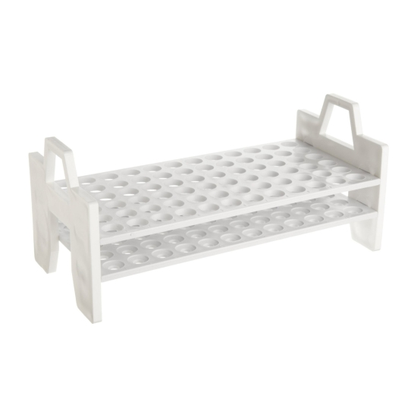
43 |  |  |  | D7
44 |  |  |  | D8
45 |  |  |  | D9
46 |  |  |  | D10
47 |  |  |  | D11
48 |  |  |  | D12
49 |  |  |  | E1
50 |  |  |  | E2
51 |  |  |  | E3
52 |  |  |  | E4
53 |  |  |  | E5
54 |  |  |  | E6
55 |  |  |  | E7
56 |  |  |  | E8
57 |  |  |  | E9
58 |  |  |  | E10 |  |  |  |  |  | pic. 2
59 |  |  |  | E11
60 |  |  |  | E12
61 |  |  |  | F1 |  |  |  |  | - | 96 well tray
62 |  |  |  | F2
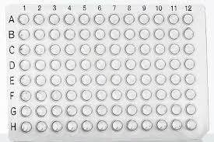
63 |  |  |  | F3
64 |  |  |  | F4
65 |  |  |  | F5
66 |  |  |  | F6
67 |  |  |  | F7
68 |  |  |  | F8
69 |  |  |  | F9
70 |  |  |  | F10
71 |  |  |  | F11
72 |  |  |  | F12
73 |  |  |  | G1
74 |  |  |  | G2
75 |  |  |  | G3
76 |  |  |  | G4 |  |  |  |  |  | pic. 3
77 |  |  |  | G5
78 |  |  |  | G6
79 |  |  |  | G7
80 |  |  |  | G8
81 |  |  |  | G9
82 |  |  |  | G10
83 |  |  |  | G11
84 |  |  |  | G12
85 |  |  |  | H1
86 |  |  |  | H2
87 |  |  |  | H3
88 |  |  |  | H4
89 |  |  |  | H5
90 |  |  |  | H6
91 |  |  |  | H7
92 |  |  |  | H8
93 |  |  |  | H9
94 |  |  |  | H10
95 |  |  |  | H11
96 |  |  |  | H12
97 |  |  |  | A1
98 |  |  |  | A2
99 |  |  |  | A3
100 |  |  |  | A4

