CNS LECO SSF
EA Sample Submission Form - Total C and N

Contact Details: Danielle Bailey, Queensland University of Technology, P624, 2 George St, Brisbane, QLD 4000, Ph: (07) 3138 4809 |  |  |  |  |  |  | Please review this sample submission information before sending samples to the CARF:

 | Last Name: |  |  |  |  | - | Organise samples in 25 ml standing tubes (pic.1). Organise the tubes in racks (pic.2) (racks stored in R222) following the sample list grouping samples of similar material together;
 | First Name: |  |  |  |  | - | Store trays in a plastic bag with few silica bags to avoid humidity;
 | Project Name: |  |  |  |  | - | Apply a bag label on each bag and fill it with requested info. If you have no label please ask the lab for one. Samples without a proper label won't be accepted;
 | Account code for invoice: |  |  |  |  | - | Label each sample with a UNIQUE ID (project name, date, sample #);
 | Email: |  |  |  |  | - | Include a hard copy of the sample list with samples and send a soft copy by e-mail;
 |  |  |  |  |  | - | Do not use special characters (ie. ! @ # $ % ^ & * ( ) . / \ +) in the sample list. Only hypens and underscore are acceptable (-, _);
 | SAMPLE LIST |  |  |  |  | - | Grind samples to fine powder;
# | Sample ID | Date Sampled | Tray # | Material | Analysis | - | When analysis is completed samples will be returned to the owner;
 | max 20 alphanumeric characters - NO identical IDs |  |  |  |  | - | If sample list is missing or physical sample order doesn't match the sample list a generic numerical order will be used.
E.g. 1 | Gympie_140512_1 |  | Tray 1 of 2 | soil | C
E.g. 2 | Gympie_140512_2 |  | Tray 2 of 2 | plant | C/N
1 |  |  |  |  |  |  | BAG LABEL TEMPLATE FOR CN SAMPLES
TOTAL CARBON AND NITROGEN
Name and Surname:
Project Name:
Type of Material:
Sampling Date:
Tray Number:___________of____________#Samples:
LAB USE ONLY:
Samples received:
Samples Analyzed:
Analyst Initials:
2
3
4
5
6
7
8
9
10
11
12
13
14
15
16
17
18
19
20 |  |  |  |  |  |  | Label code: | Avery J8165
21
22
23 |  |  |  |  |  | - | 25 ml standing tubes
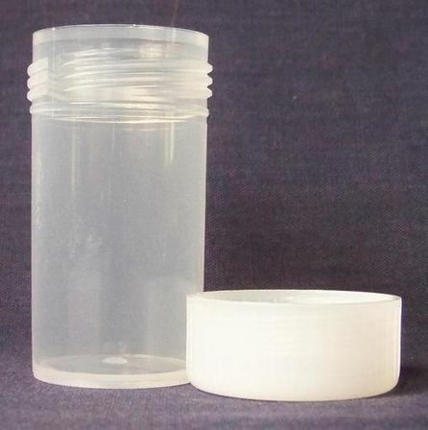
24
25
26
27
28
29
30
31
32
33
34
35
36
37
38
39
40
41
42
43
44 |  |  |  |  |  |  | pic.1
45
46
47 |  |  |  |  |  | - | 25 ml standing tubes racks
48
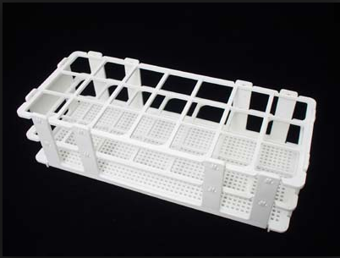
49
50
51
52
53
54
55
56
57
58
59
60
61
62
63
64 |  |  |  |  |  |  | pic.2
65
66
67
68
69
70
71
72
73
74
75
76
77
78
79
80
81
82
83
84
85
86
87
88
89
90
91
92
93
94
95
96
97
98
99
100

